Sheet1
Ask: | Lack of sleep is one of my major triggers for migrains. I want to figure out if there is a particular day of the week I tend to get less sleep in order to either change the habbit or be able to better predict a migraine.

Prepare & Proccess:
Date | Day of the Week | Total Sleep Time (in hours) | Light Sleep (in hours) | Deep Sleep (in hours) | REM Sleep (in hours) | Awake (in minutes | Avg SpO2 | Avg Respiration | Resting Heart Rate (bpm)
2024-02-04 | Tuesday | 8.56 | 7.27 | 0.48 | 0.41 | 11 | 92% | 13 brpm | 72
2024-01-29 | Monday | 6.41 | 4.51 | 1 | 0.5 | 16 | 87% | 12 brpm | 70
2024-01-28 | Sunday | 9.45 | 7.1 | 1.9 | 1.35 | 9 | 90% | 13 brpm | 71
2024-01-27 | Saturday | 9.3 | 5.42 | 1.23 | 1.58 | 1 | 90% | 12 brpm | 68
2024-01-26 | Friday | 9.56 | 7.48 | 1.4 | 1.4 | 33 | 93% | 12 brpm | 67
2024-01-25 | Thursday | 10.12 | 7.26 | 1.21 | 1.25 | 11 | 87% | 12 brpm | 67
2024-01-24 | Wednesday | 9.4 | 7.26 | 0.55 | 0.43 | 11 | 88% | 12 brpm | 66
2024-01-23 | Tuesday | 9.6 | 6.38 | 1.39 | 0.49 | 14 | 87% | 12 brpm | 67
2024-01-22 | Monday | 8.5 | 6.4 | 1.24 | 0.46 | 6 | 93% | 13 brpm | 68
2024-01-21 | Sunday | 10.1 | 7.28 | 0.49 | 1.44 | 6 | 92% | 12 brpm | 68
2024-01-20 | Saturday | 8.47 | 5.18 | 1.55 | 1.34 | 1 | 90% | 12 brpm | 68
2024-01-19 | Friday | 11.8 | 8.31 | 0.59 | 1.38 | 7 | 91% | 12 brpm | 64
2024-01-18 | Thursday | 6.5 | 4.22 | 1.5 | 0.38 | 10 | 91% | 13 brpm | 73
2024-01-17 | Wednesday | 8.52 | 6.14 | 1.17 | 1.21 | 7 | 91% | 12 brpm | 67

Analyze: |  | Total Sleep Time (in hours) | Light Sleep (in hours) | Deep Sleep (in hours) | REM Sleep (in hours) | Awake (in minutes | Avg SpO2 |  | Resting Heart Rate (bpm)
 | Averages: | 9.0207142857 | 6.4435714286 | 1.1214285714 | 0.97285714286 | 10.214285714 | 90% |  | 68.285714286

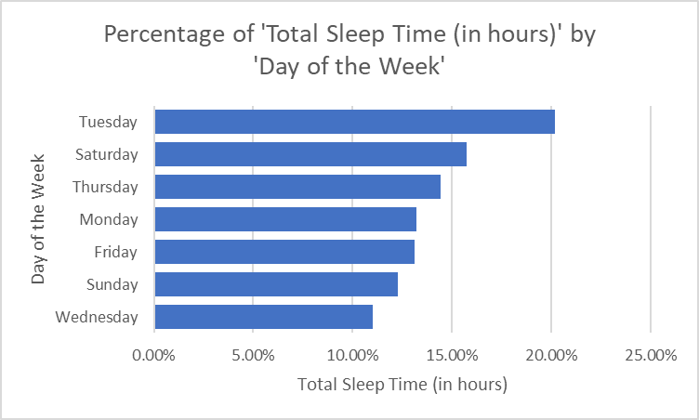
'Total Sleep Time (in hours)'

Sleeps by 'Date'
'Avg SpO2'

'Total Sleep Time (in hours)', 'Deep Sleep (in hours)', 'REM Sleep (in hours)' by 'Date'

Suggestion2
'Resting Heart Rate': 67 bpm has noticeably higher 'Awake (in minutes'.
Row Labels | Sum of Awake (in minutes
67 bpm | 65
70 bpm | 16
68 bpm | 14
72 bpm | 11
66 bpm | 11
73 bpm | 10
71 bpm | 9
64 bpm | 7
Grand Total | 143

Suggestion3
'Resting Heart Rate': 67 bpm and 68 bpm have noticeably higher 'Total Sleep Time (in hours)'.
Row Labels | Sum of Total Sleep Time (in hours)
67 bpm | 37.8
68 bpm | 36.37
64 bpm | 11.8
71 bpm | 9.45
66 bpm | 9.4
72 bpm | 8.56
73 bpm | 6.5
70 bpm | 6.41
Grand Total | 126.29

Suggestion4
'Avg Respiration': 12 brpm accounts for the majority of 'Awake (in minutes'.
Row Labels | Sum of Awake (in minutes
12 brpm | 107
13 brpm | 36
Grand Total | 143

